1.2VBMC(OA1)
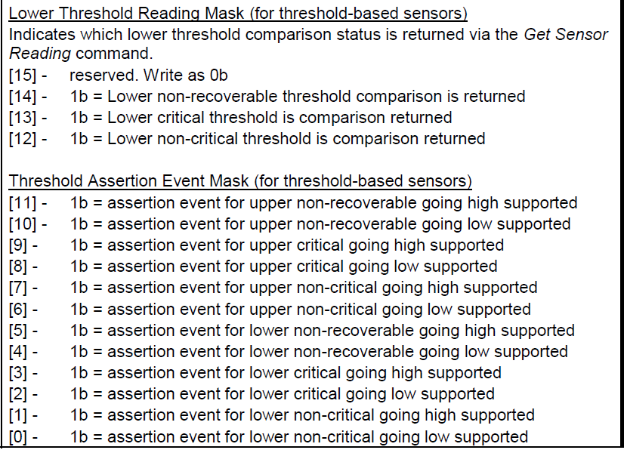
Record_Start | Description | Mapping value | Comment
00 | sensor unit1, sensor value, 00: unsgined | unsigned
04 | sensor unit2, unit type code | volts | refer to Table 43- Sensor Unit Type Codes
00 | sensor unit3, usually unused | unused
00 | Linearization | linear | convert to desired sensor unit (such as temperature or voltage ) using a linear conversion formula. Refer to 36.3 Sensor Reading Conversion Formula
62 | M | Signed Integer Constant Multiplier M: LS 8 bits | M is composed of first 2 bits of "M, Tolerance" and 8 bits of "M" as a 10-bit 2's complement number. M=signed 2'c(0001100010)=dec(98) | 98 | 1100010
00 | M, Tolerance | [7:6] - M: MS 2 bits | First 2 bits: 00 is M's. Tolerance = 0 |  | 0
49 | B | Signed Additive Offset B: LS 8 bits | B is composed of first 2 bits of "B, Accuracy" and 8 bits of "B" as a 10-bit 2's complement number. B=signed 2'c(0001001001)=dec(73) | 73 | 1001001
00 | B, Accuracy | [7:6] - B: MS 2 bits | First 2 bits: 01 is B's. Accuracy = 0 |  | 0
00 | Accuracy exp |  |  |  | 0
C0 | R exp, B exp | K2: signed result exponent, called R exp K1: signed exponent, called B exp | K2=signed 2'c(1100)=dec(-4) K1=signed 2'c(0000)=dec(0) |  | 11000000
07 | Analog characateristic flags |  |  |  | 111
7b | Nominal Reading | 123 | Converted reading=> | y= | (E6*C13+(E8*10K1))*10K2 | 1.2127
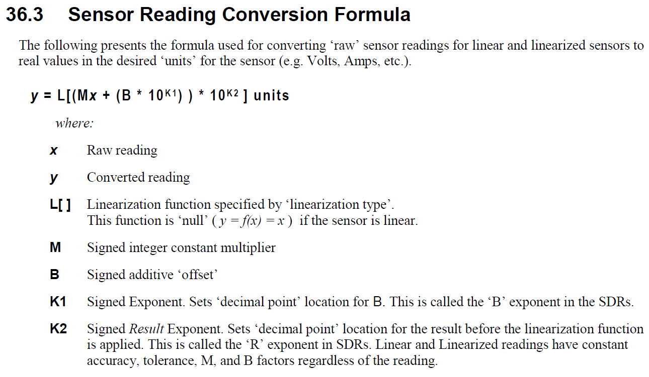
85 | Norminal Maximum | 133 | 1.3107
6E | Norminal Minimum | 110 | 1.0853
FF | sensor maximum reading | 255 | 2.5063
00 | sensor minimum reading | 0 | 0.0073
86 | upper non-recoverable threshold | 134 | 1.3205
86 | upper critical threshold | 134 | 1.3205
86 | upper non-critical threshold | 134 | 1.3205
6D | Lower non-recoverable threshold | 109 | 1.0755
6D | Lower critical threshold | 109 | 1.0755
6D | Lower non-critical thrshold | 109 | 1.0755
01 | Positive-going threshold hysteresis value | 1 | 0.0171
01 | Negative-going threshold hysteresis value | 1 | 0.0171
Record_End

